Goals for Benchmarked CUs
This tab is for credit unions that have a history measuring CX/MX, having past relative scores.
We recommend YTD scores for each experience, pulled using the Entire Team Summary report.

Add your benchmarked score in column D to generate recommendations. Most accurate if based on 100 surveys or more.
Experience Type | Score Type | Credit Union's Benchmarked Score | MemberXP High Performers Score | MemberXP Median Score | Minimum Goal Recommendation | Stretch Goal Recommendation
Overall Credit Union Experiential Surveys (From surveys based on specific interactions/experiences such as getting a loan.) | Promoter Score |  | 89.40 | 75.72 | 37.86 | 56.79
 | Member Effort Score |  | 6.57 | 6.26750 | 3.13 | 4.70

New Deposit Account Surveys | Promoter Score |  | 94.77 | 83.20 | 41.60 | 62.40
 | Member Effort Score |  | 6.70 | 6.47 | 3.24 | 4.85

New Member Surveys | Promoter Score |  | 90.48 | 80.14 | 40.07 | 60.11
 | Member Effort Score |  | 6.68 | 6.33 | 3.17 | 4.75

Transaction Surveys | Promoter Score |  | 98.18 | 81.12 | 40.56 | 60.84
 | Member Effort Score |  | 6.84 | 6.45 | 3.23 | 4.84

Consumer Loan Surveys | Promoter Score |  | 96.59 | 92.62 | 46.31 | 69.47
 | Member Effort Score |  | 6.78 | 6.56 | 3.28 | 4.92

Mortgage Loan Surveys | Promoter Score |  | 87.44 | 73.18 | 36.59 | 54.89
 | Member Effort Score |  | 6.48 | 6.08 | 3.04 | 4.56

Online Banking Surveys | Promoter Score |  | 81.18 | 58.21 | 29.11 | 43.66
 | Member Effort Score |  | 6.30 | 5.96 | 2.98 | 4.47

Mobile App Surveys | Promoter Score |  | 78.59 | 59.24 | 29.62 | 44.43
 | Member Effort Score |  | 6.28 | 6.06 | 3.03 | 4.55

Contact Center Member Care /Problem Resolution Surveys | Promoter Score |  | 87.94 | 78.04 | 39.02 | 58.53
 | Member Effort Score |  | 6.53 | 6.23 | 3.12 | 4.67

Credit Union Relational Survey (From a survey of the membership as a whole.) | Promoter Score |  | 77.92 | 63.38 | 31.69 | 47.54
 | Member Effort Score |  | 6.15 | 5.86 | 2.93 | 4.40

How to pull scores Team & Indv
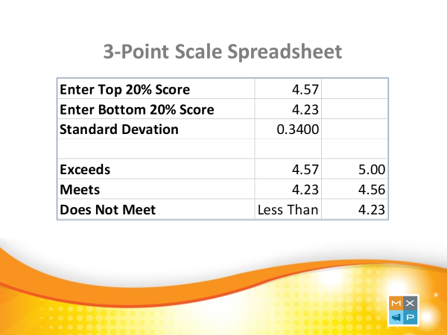
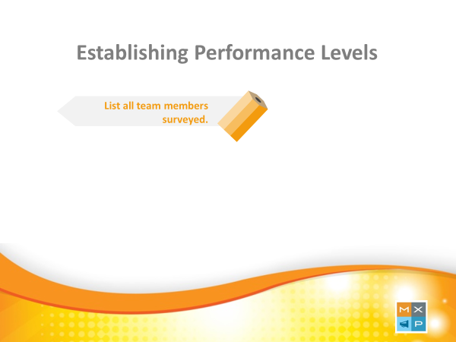
1.) Create a list of team members shopped.

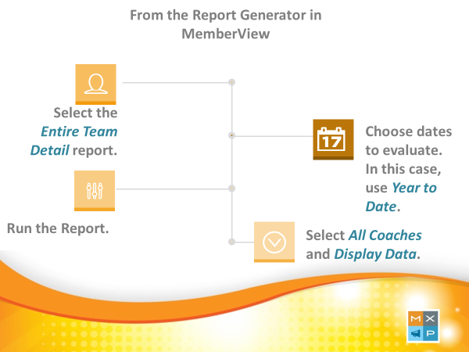
2.) From the report generator, follow the instructions, run the Entire Team Detail report, and select 'All Coaches' from the filter.

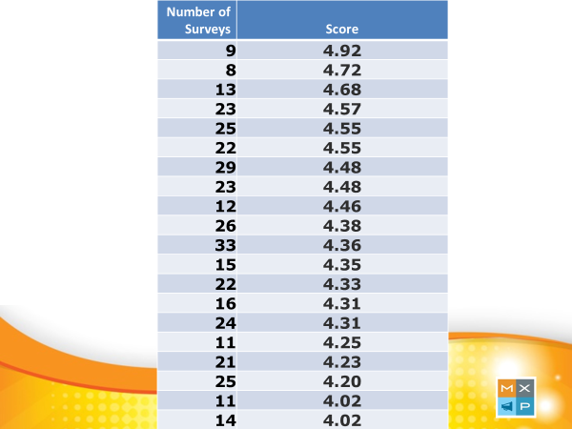

3.) Create this list and sort by the total Score column.

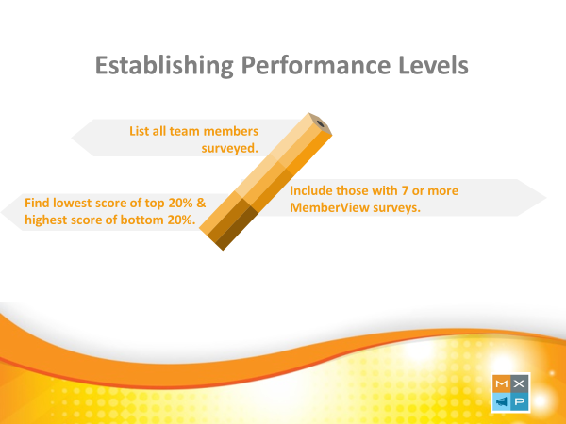

4.) Remove team members with less than 7 surveys.

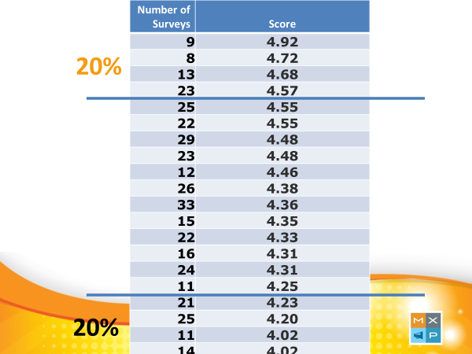

5.) Determine the top 20 & bottom 20 scores. This example shows: Top-4.57 and Bottom 4.23.

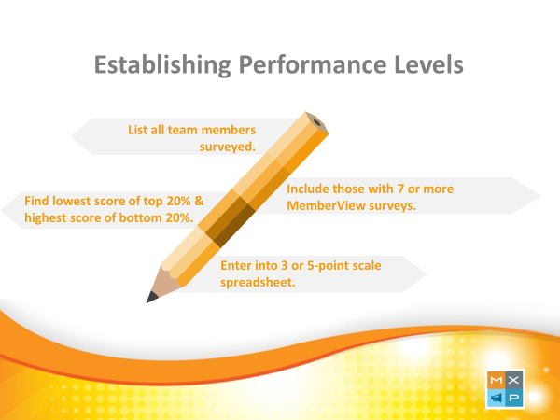

6.) Choose the 3 or 5 Point Scale calculator (tabs in this spreadsheet).

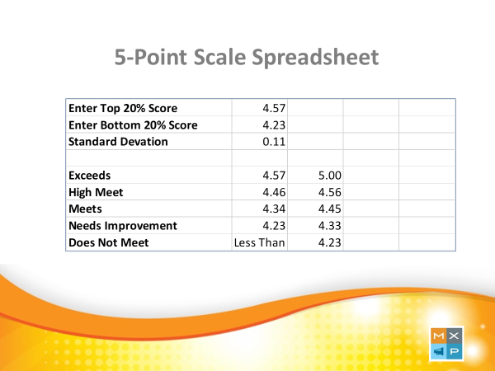

7.) Plug in your numbers to retrieve goal ranges.

